1 - quantity_age
First Registrations of used Passenger Cars in Poland, 2024 - 2025 PZPM based on data from Centralna Ewidencja Pojazdow

 | Jan | Feb | Mar | Apr | May | Jun | Jul | Aug | Sep | Oct | Nov | Dec | Total
2024 | 66,186 | 72,408 | 77,918 | 79,087 | 72,082 | 71,814 | 79,987 | 72,310 | 74,241 | 84,992 | 66,966 | 64,519 | 882,510
2025 | 69,287 | 69,649 | 77,652 | 79,122 | 72,653 | 69,240 | 78,331 | 66,914 | 73,773 |  |  |  | 656,621
%change y/y | 4.7% | -3.8% | -0.3% | 0.0% | 0.8% | -3.6% | -2.1% | -7.5% | -0.6% |  |  |  | -1.4%
First Registrations of Used PC in Poland 2024 - 2025
 | 2024 | 2025
Jan | 66186 | 69287
Feb | 72408 | 69649
Mar | 77918 | 77652
Apr | 79087 | 79122
May | 72082 | 72653
Jun | 71814 | 69240
Jul | 79987 | 78331
Aug | 72310 | 66914
Sep | 74241 | 73773
Oct | 84992
Nov | 66966
Dec | 64519
 |  |  |  |  |  |  |  |  | Age Structure Jan-Sep 2025
 |  |  |  |  |  |  |  |  |  | Number of vehicles | Share %
 |  |  |  |  |  |  |  |  | <=4 years | 67,914 | 10.3%
 |  |  |  |  |  |  |  |  | >4 years & <=10 years | 230,005 | 35.0%
 |  |  |  |  |  |  |  |  | >10 years | 358,701 | 54.6%
 |  |  |  |  |  |  |  |  | Total | 582,848 | 100.0%
First Registrations of Used Vehicles in year 2025 - age structure

source: PZPM based on CEP

2 - EURO_fuel
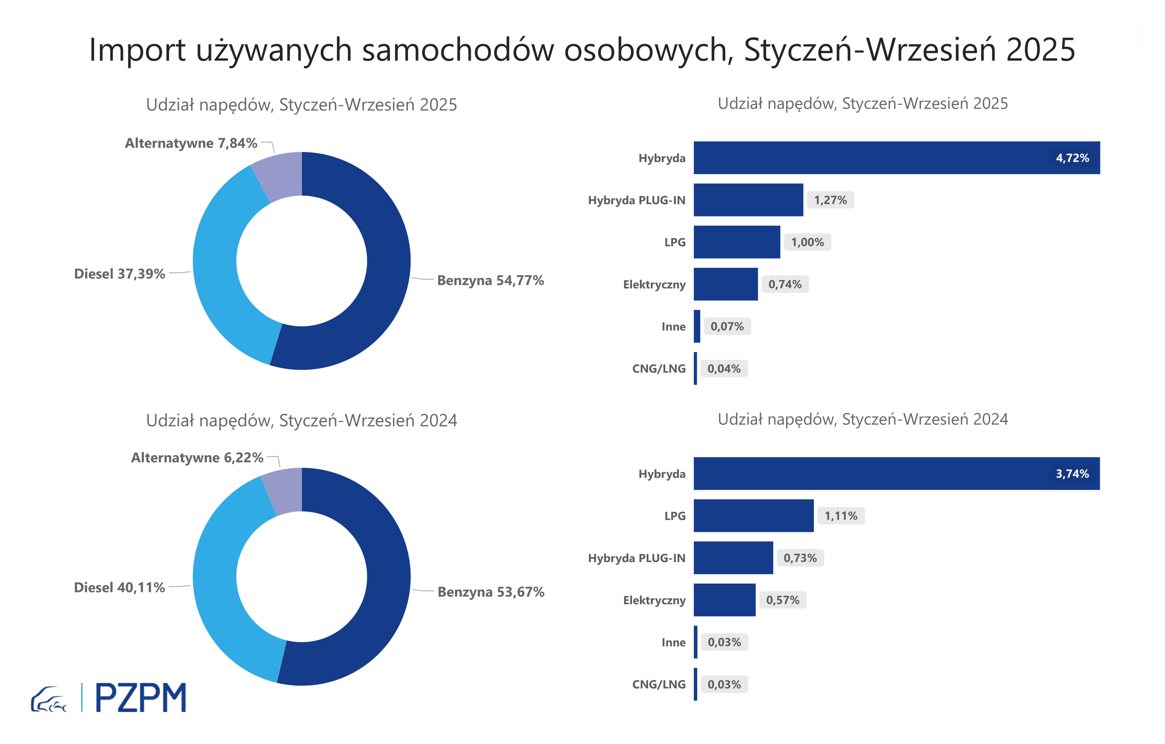
First Registrations of Used Passenger Cars by Fuel Type
Fuel Type | January-September 2024 |  | January-September 2025 |  | Volume Change y/y | Market Share Change y/y
 | thousand units | share % | thousand units | share %
Petrol | 357,5 | 53.7% | 359,6 | 54.8% | 0.6% | +1,1 pp
Diesel | 267,1 | 40.1% | 245,5 | 37.4% | -8.1% | -2,8 pp
AFV / Others | 41,4 | 6.2% | 51,5 | 7.8% | 24.4% | +1,7 pp
including:
Electric | 3.798 | 0.6% | 4.887 | 0.7% | 28.7% | +0,2 pp
Hybrid | 24.934 | 3.7% | 30.96 | 4.7% | 24.2% | +1,0 pp
Hybrid Plug-In | 4.876 | 0.7% | 8.343 | 1.3% | 71.1% | +0,5 pp
LPG | 7.37 | 1.1% | 6.589 | 1.0% | -10.6% | -0,1 pp
CNG/LNG | 0.206 | 0.0% | 0.24 | 0.0% | 16.5% | +0,0 pp
Others / N.A. | 0.221 | 0.0% | 0.489 | 0.1% | 121.3% | +0,0 pp

3 - TOP_brands
First registrations - used passenger cars imported to Poland - TOP 10 in 2025
First registrations of used passenger cars in Poland*
No.** | Make | January-September 2024 | January-September 2025 | Change % r/r
1 | VOLKSWAGEN | 65832 | 62124 | -5.6%
2 | FORD | 63158 | 60938 | -3.5%
3 | OPEL | 60146 | 57625 | -4.2%
4 | AUDI | 54466 | 49421 | -9.3%
5 | BMW | 42655 | 41373 | -3.0%
6 | MERCEDES-BENZ | 31893 | 33893 | 6.3%
7 | PEUGEOT | 30722 | 32202 | 4.8%
8 | HYUNDAI | 28891 | 30983 | 7.2%
9 | RENAULT | 30872 | 28653 | -7.2%
10 | TOYOTA | 25582 | 24410 | -4.6%
* source: PZPM based on CEP
** based on registrations in 2025

